Sort (Ques1)
 | Sort as per conditions and Copy paste the results, by adding a new sheet in this file. Plus Paste Screenshots of Sort Box.
 | 1. Sort Segment, inside each segment Country should be sorted, with sorted profit for each country Low to high.
 | 2. Sort Columns in new sequence, ID, Date, Segment, Country, Profit.

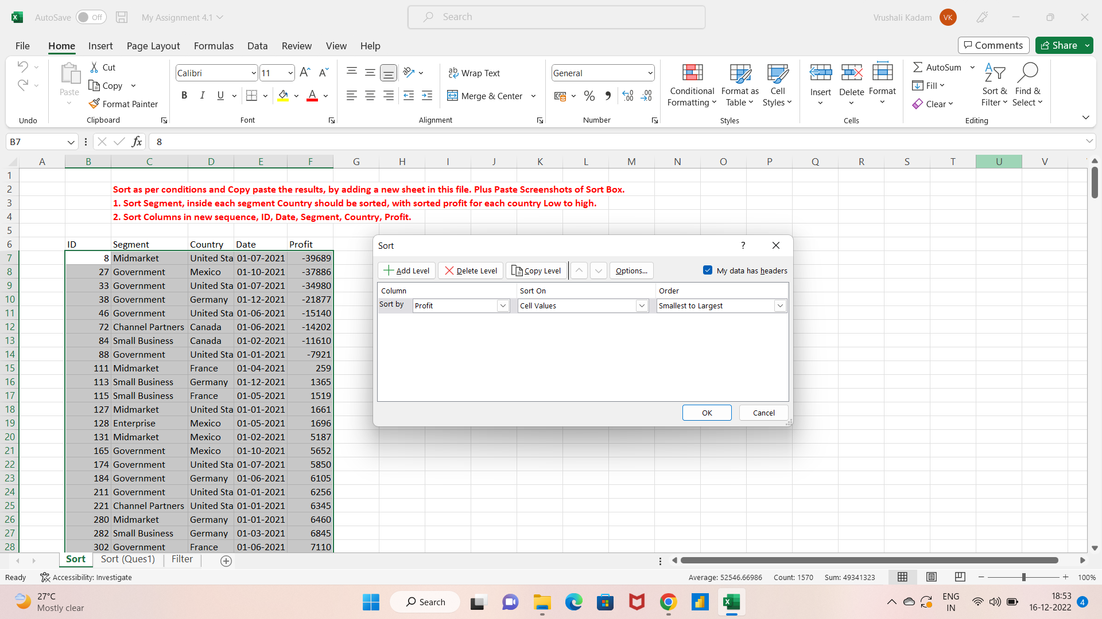
ID | Segment | Country | Date | Profit
8 | Midmarket | United States of America | 2021-07-01 | -39689
27 | Government | Mexico | 2021-10-01 | -37886
33 | Government | United States of America | 2021-07-01 | -34980
38 | Government | Germany | 2021-12-01 | -21877
46 | Government | United States of America | 2021-06-01 | -15140
72 | Channel Partners | Canada | 2021-06-01 | -14202
84 | Small Business | Canada | 2021-02-01 | -11610
88 | Government | United States of America | 2021-01-01 | -7921
111 | Midmarket | France | 2021-04-01 | 259
113 | Small Business | Germany | 2021-12-01 | 1365
115 | Small Business | France | 2021-05-01 | 1519
127 | Midmarket | United States of America | 2021-01-01 | 1661
128 | Enterprise | Mexico | 2021-05-01 | 1696
131 | Midmarket | Mexico | 2021-02-01 | 5187
165 | Government | Mexico | 2021-10-01 | 5652
174 | Government | United States of America | 2021-07-01 | 5850
184 | Government | Germany | 2021-06-01 | 6105
211 | Government | United States of America | 2021-01-01 | 6256
221 | Channel Partners | United States of America | 2021-01-01 | 6345
280 | Midmarket | Germany | 2021-01-01 | 6460
282 | Small Business | Germany | 2021-03-01 | 6845
302 | Government | France | 2021-06-01 | 7110
309 | Government | France | 2021-06-01 | 7190
325 | Enterprise | Germany | 2021-08-01 | 7269
329 | Small Business | Mexico | 2021-02-01 | 7298
342 | Government | France | 2021-08-01 | 7382
346 | Government | Canada | 2021-07-01 | 7819
403 | Government | Canada | 2021-12-01 | 8406
405 | Government | Mexico | 2021-11-01 | 8463
413 | Small Business | United States of America | 2021-01-01 | 8675
423 | Midmarket | Canada | 2021-02-01 | 8721
441 | Government | Germany | 2021-05-01 | 8950
451 | Government | Mexico | 2021-12-01 | 9630
482 | Government | France | 2021-12-01 | 9682
492 | Government | United States of America | 2021-08-01 | 10877
526 | Small Business | Mexico | 2021-06-01 | 11238
568 | Midmarket | France | 2021-02-01 | 11682
591 | Small Business | United States of America | 2021-09-01 | 12156
594 | Enterprise | France | 2021-12-01 | 12709
636 | Midmarket | Mexico | 2021-07-01 | 12894
640 | Midmarket | Canada | 2021-07-01 | 12909
659 | Government | United States of America | 2021-09-01 | 13179
681 | Small Business | France | 2021-10-01 | 13328
686 | Enterprise | Mexico | 2021-02-01 | 13845
688 | Midmarket | Mexico | 2021-02-01 | 15238
695 | Government | Germany | 2021-03-01 | 16452
706 | Channel Partners | Canada | 2021-06-01 | 17043
728 | Government | Canada | 2021-06-01 | 17150
733 | Small Business | Germany | 2021-08-01 | 17711
738 | Channel Partners | Mexico | 2021-10-01 | 18670
739 | Enterprise | Germany | 2021-08-01 | 19002
748 | Government | Mexico | 2021-08-01 | 19225
762 | Midmarket | Germany | 2021-11-01 | 20238
777 | Government | Mexico | 2021-02-01 | 22003
780 | Midmarket | Canada | 2021-12-01 | 22305
796 | Midmarket | Germany | 2021-08-01 | 22746
803 | Government | Mexico | 2021-10-01 | 22810
805 | Midmarket | Mexico | 2021-04-01 | 22839
819 | Enterprise | Germany | 2021-08-01 | 23010
825 | Government | France | 2021-08-01 | 23250
842 | Enterprise | Canada | 2021-07-01 | 23560
858 | Government | Canada | 2021-10-01 | 24838
864 | Government | Germany | 2021-05-01 | 24879
867 | Midmarket | France | 2021-11-01 | 25301
870 | Government | France | 2021-03-01 | 25467
874 | Government | United States of America | 2021-01-01 | 25860
891 | Government | United States of America | 2021-05-01 | 26172
893 | Enterprise | France | 2021-07-01 | 26819
894 | Government | Canada | 2021-06-01 | 27137
911 | Government | United States of America | 2021-09-01 | 27327
926 | Small Business | Mexico | 2021-04-01 | 27542
930 | Enterprise | Mexico | 2021-02-01 | 27849
949 | Enterprise | United States of America | 2021-11-01 | 28110
950 | Government | France | 2021-01-01 | 28289
952 | Midmarket | Germany | 2021-03-01 | 29435
963 | Channel Partners | United States of America | 2021-03-01 | 30219
973 | Government | Canada | 2021-06-01 | 32352
977 | Midmarket | Mexico | 2021-02-01 | 33850
979 | Small Business | Mexico | 2021-02-01 | 33876
983 | Enterprise | Canada | 2021-06-01 | 34080
1004 | Government | Mexico | 2021-03-01 | 34334
1011 | Government | France | 2021-04-01 | 35096
1019 | Midmarket | Canada | 2021-07-01 | 36046
1022 | Government | Canada | 2021-01-01 | 36125
1024 | Enterprise | Germany | 2021-07-01 | 36547
1037 | Channel Partners | France | 2021-11-01 | 39271
1045 | Small Business | Mexico | 2021-10-01 | 39494
1048 | Government | Mexico | 2021-11-01 | 39668
1053 | Small Business | Germany | 2021-03-01 | 39973
1070 | Midmarket | Canada | 2021-11-01 | 40179
1079 | Enterprise | Canada | 2021-01-01 | 40778
1084 | Channel Partners | United States of America | 2021-01-01 | 41318
1091 | Enterprise | France | 2021-04-01 | 42319
1107 | Government | France | 2021-07-01 | 44394
1112 | Midmarket | Canada | 2021-12-01 | 47888
1115 | Government | France | 2021-01-01 | 48442
1121 | Small Business | Canada | 2021-03-01 | 48808
1191 | Midmarket | France | 2021-04-01 | 51383
1200 | Government | Canada | 2021-03-01 | 51626
1210 | Government | United States of America | 2021-07-01 | 52513
1227 | Midmarket | Germany | 2021-05-01 | 53266
1244 | Midmarket | United States of America | 2021-12-01 | 54633
1253 | Channel Partners | Canada | 2021-08-01 | 55010
1256 | Channel Partners | Germany | 2021-11-01 | 55433
1260 | Government | Canada | 2021-09-01 | 55991
1269 | Government | Germany | 2021-02-01 | 56810
1285 | Midmarket | France | 2021-07-01 | 57399
1296 | Enterprise | France | 2021-05-01 | 57755
1307 | Government | Canada | 2021-05-01 | 59423
1324 | Channel Partners | United States of America | 2021-07-01 | 59920
1329 | Channel Partners | Canada | 2021-01-01 | 60394
1331 | Small Business | United States of America | 2021-12-01 | 60882
1332 | Channel Partners | France | 2021-09-01 | 60921
1342 | Channel Partners | Germany | 2021-04-01 | 61230
1353 | Government | Canada | 2021-11-01 | 63494
1355 | Government | Canada | 2021-07-01 | 64755
1377 | Government | Mexico | 2021-06-01 | 65162
1381 | Government | United States of America | 2021-08-01 | 67090
1396 | Enterprise | France | 2021-12-01 | 71529
1398 | Government | Germany | 2021-05-01 | 72086
1413 | Government | Mexico | 2021-04-01 | 73163
1415 | Small Business | France | 2021-04-01 | 73394
1429 | Channel Partners | Germany | 2021-02-01 | 74022
1434 | Channel Partners | United States of America | 2021-09-01 | 74093
1446 | Government | United States of America | 2021-12-01 | 74221
1471 | Government | Germany | 2021-11-01 | 74813
1488 | Enterprise | Mexico | 2021-08-01 | 75634
1489 | Enterprise | United States of America | 2021-03-01 | 75969
1505 | Midmarket | Mexico | 2021-08-01 | 78549
1525 | Government | Germany | 2021-12-01 | 81048
1526 | Government | United States of America | 2021-04-01 | 81846
1531 | Small Business | France | 2021-12-01 | 82089
1537 | Government | Mexico | 2021-05-01 | 82968
1540 | Government | United States of America | 2021-10-01 | 84660
1547 | Midmarket | United States of America | 2021-08-01 | 85536
1553 | Midmarket | France | 2021-10-01 | 86076
1567 | Government | France | 2021-02-01 | 86142
1572 | Government | Canada | 2021-11-01 | 86186
1574 | Enterprise | Mexico | 2021-08-01 | 86220
1583 | Government | Mexico | 2021-10-01 | 86460
1590 | Government | Germany | 2021-07-01 | 86843
1615 | Channel Partners | Germany | 2021-03-01 | 87460
1624 | Channel Partners | France | 2021-08-01 | 87532
1636 | Channel Partners | France | 2021-04-01 | 89649
1653 | Government | France | 2021-07-01 | 89802
1667 | Enterprise | Mexico | 2021-06-01 | 91931
1668 | Midmarket | United States of America | 2021-10-01 | 93656
1674 | Government | Germany | 2021-01-01 | 95623
1675 | Midmarket | France | 2021-06-01 | 95791
1683 | Government | France | 2021-07-01 | 96209
1686 | Small Business | Mexico | 2021-06-01 | 96983
1688 | Midmarket | United States of America | 2021-09-01 | 98246
1691 | Enterprise | Canada | 2021-08-01 | 99343
1706 | Small Business | Canada | 2021-01-01 | 100486
1709 | Midmarket | France | 2021-12-01 | 100956
1719 | Small Business | Germany | 2021-08-01 | 102572
1722 | Government | United States of America | 2021-07-01 | 103592
1727 | Government | Germany | 2021-10-01 | 104379
1743 | Enterprise | Canada | 2021-07-01 | 104422
1746 | Government | Canada | 2021-02-01 | 105602
1774 | Government | Mexico | 2021-06-01 | 108879
1776 | Enterprise | France | 2021-08-01 | 109849
1782 | Small Business | United States of America | 2021-08-01 | 110965
1783 | Small Business | Canada | 2021-05-01 | 111998
1788 | Channel Partners | France | 2021-12-01 | 112636
1809 | Channel Partners | Germany | 2021-03-01 | 114470
1823 | Government | France | 2021-06-01 | 115261
1829 | Midmarket | France | 2021-03-01 | 117440
1833 | Small Business | Germany | 2021-07-01 | 121986
1839 | Government | United States of America | 2021-01-01 | 123287
1848 | Enterprise | Germany | 2021-05-01 | 124153
1868 | Channel Partners | United States of America | 2021-08-01 | 124717
1903 | Small Business | United States of America | 2021-05-01 | 125616
1912 | Enterprise | Germany | 2021-03-01 | 126174
1964 | Midmarket | France | 2021-10-01 | 128249
1975 | Government | United States of America | 2021-12-01 | 129328
1989 | Midmarket | Mexico | 2021-12-01 | 130275
2000 | Small Business | Mexico | 2021-06-01 | 130437
2001 | Government | Mexico | 2021-08-01 | 131983
2009 | Small Business | Germany | 2021-03-01 | 132363
2033 | Midmarket | Germany | 2021-03-01 | 133951
2044 | Government | France | 2021-02-01 | 134107
2099 | Government | Canada | 2021-02-01 | 134977
2100 | Midmarket | Germany | 2021-04-01 | 135272
2136 | Government | Canada | 2021-12-01 | 135311
2176 | Government | France | 2021-09-01 | 135801
2184 | Government | Canada | 2021-04-01 | 137705
2187 | Government | France | 2021-06-01 | 137843
2207 | Government | Mexico | 2021-07-01 | 138473
2214 | Government | United States of America | 2021-10-01 | 139432
2239 | Midmarket | France | 2021-06-01 | 139728
2245 | Government | France | 2021-01-01 | 142596
2259 | Channel Partners | United States of America | 2021-12-01 | 142874
2301 | Midmarket | Germany | 2021-04-01 | 145328
2318 | Government | France | 2021-11-01 | 146394
2333 | Midmarket | France | 2021-09-01 | 147727
2352 | Small Business | Mexico | 2021-08-01 | 149617
2369 | Government | Mexico | 2021-03-01 | 150851
2376 | Government | Germany | 2021-12-01 | 151084
2390 | Government | France | 2021-01-01 | 151301
2407 | Small Business | United States of America | 2021-12-01 | 152076
2423 | Channel Partners | United States of America | 2021-07-01 | 152936
2439 | Government | United States of America | 2021-10-01 | 154630
2441 | Government | Canada | 2021-02-01 | 155266
2455 | Channel Partners | Mexico | 2021-03-01 | 155535
2458 | Government | Germany | 2021-06-01 | 155904
2466 | Midmarket | Mexico | 2021-08-01 | 155980
2474 | Government | United States of America | 2021-11-01 | 156072
2475 | Enterprise | Mexico | 2021-02-01 | 157993
2478 | Government | Germany | 2021-12-01 | 158679
2479 | Midmarket | France | 2021-06-01 | 159478
2480 | Government | Canada | 2021-07-01 | 159745
2486 | Small Business | Germany | 2021-09-01 | 160752
2495 | Enterprise | Canada | 2021-11-01 | 161110
2511 | Government | United States of America | 2021-06-01 | 161165
2537 | Government | Germany | 2021-01-01 | 161532
2539 | Midmarket | United States of America | 2021-10-01 | 163127
2549 | Enterprise | France | 2021-05-01 | 164464
2561 | Government | France | 2021-10-01 | 165656
2577 | Government | France | 2021-06-01 | 165992
2580 | Small Business | Mexico | 2021-12-01 | 166353
2601 | Channel Partners | Canada | 2021-05-01 | 166490
2619 | Government | Canada | 2021-05-01 | 166824
2621 | Government | Germany | 2021-02-01 | 168122
2642 | Government | Mexico | 2021-10-01 | 169915
2654 | Government | Germany | 2021-12-01 | 169991
2655 | Enterprise | Mexico | 2021-04-01 | 173199
2657 | Midmarket | Canada | 2021-04-01 | 173334
2670 | Government | United States of America | 2021-02-01 | 173392
2705 | Government | France | 2021-07-01 | 173616
2715 | Small Business | United States of America | 2021-10-01 | 174302
2716 | Small Business | United States of America | 2021-10-01 | 175018
2735 | Government | United States of America | 2021-04-01 | 175220
2739 | Midmarket | France | 2021-07-01 | 176652
2742 | Government | Canada | 2021-02-01 | 180474
2744 | Enterprise | France | 2021-01-01 | 180969
2749 | Small Business | France | 2021-07-01 | 185869
2754 | Midmarket | Canada | 2021-02-01 | 187979
2778 | Midmarket | Germany | 2021-11-01 | 188860
2811 | Channel Partners | United States of America | 2021-04-01 | 189847
2816 | Government | Mexico | 2021-06-01 | 190517
2821 | Government | United States of America | 2021-04-01 | 191293
2839 | Government | Mexico | 2021-08-01 | 191733
2847 | Channel Partners | United States of America | 2021-02-01 | 192728
2852 | Midmarket | Germany | 2021-01-01 | 193122
2862 | Government | United States of America | 2021-09-01 | 193691
2881 | Government | Mexico | 2021-02-01 | 194150
2896 | Channel Partners | France | 2021-11-01 | 195638
2897 | Channel Partners | Canada | 2021-04-01 | 196137
2899 | Enterprise | United States of America | 2021-12-01 | 198140
2910 | Government | Germany | 2021-09-01 | 200584
2913 | Government | France | 2021-12-01 | 201069
2916 | Channel Partners | United States of America | 2021-04-01 | 201120
2925 | Midmarket | Mexico | 2021-03-01 | 201340
2933 | Government | Mexico | 2021-04-01 | 203878
2958 | Government | United States of America | 2021-11-01 | 207031
2972 | Channel Partners | Mexico | 2021-09-01 | 208038
3013 | Midmarket | Germany | 2021-01-01 | 208053
3018 | Government | Mexico | 2021-09-01 | 209590
3027 | Government | Germany | 2021-01-01 | 210209
3036 | Government | France | 2021-02-01 | 210276
3050 | Enterprise | France | 2021-12-01 | 210352
3051 | Channel Partners | France | 2021-11-01 | 211082
3059 | Government | Canada | 2021-06-01 | 213069
3080 | Midmarket | Mexico | 2021-09-01 | 213879
3085 | Government | United States of America | 2021-04-01 | 214102
3088 | Small Business | Canada | 2021-08-01 | 216458
3093 | Midmarket | Mexico | 2021-04-01 | 216555
3094 | Midmarket | United States of America | 2021-06-01 | 216695
3099 | Government | Mexico | 2021-09-01 | 217075
3103 | Government | Canada | 2021-08-01 | 217962
3106 | Channel Partners | Mexico | 2021-07-01 | 219148
3108 | Channel Partners | Canada | 2021-12-01 | 219249
3119 | Small Business | Mexico | 2021-01-01 | 219774
3120 | Government | Mexico | 2021-04-01 | 220171
3122 | Enterprise | Germany | 2021-09-01 | 220591
3125 | Small Business | United States of America | 2021-04-01 | 221658
3127 | Government | Canada | 2021-11-01 | 222162
3138 | Channel Partners | France | 2021-05-01 | 223042
3145 | Government | United States of America | 2021-11-01 | 223295
3159 | Channel Partners | Germany | 2021-06-01 | 223894
3173 | Midmarket | Canada | 2021-10-01 | 225220
3179 | Small Business | Mexico | 2021-07-01 | 226327
3189 | Midmarket | Canada | 2021-08-01 | 229197
3224 | Government | United States of America | 2021-07-01 | 229218
3249 | Government | Mexico | 2021-02-01 | 230726
3250 | Midmarket | France | 2021-10-01 | 231047
3252 | Channel Partners | Mexico | 2021-05-01 | 232025
3265 | Channel Partners | Canada | 2021-12-01 | 232472
3268 | Government | France | 2021-06-01 | 234786
3287 | Government | Mexico | 2021-07-01 | 235104
3294 | Enterprise | France | 2021-10-01 | 236531
3295 | Small Business | Mexico | 2021-05-01 | 239368
3305 | Government | Canada | 2021-05-01 | 240648
3307 | Channel Partners | Mexico | 2021-09-01 | 242254
3312 | Government | United States of America | 2021-09-01 | 242971
3331 | Government | United States of America | 2021-12-01 | 244284
3333 | Small Business | Mexico | 2021-01-01 | 244677
3361 | Government | Canada | 2021-04-01 | 244904
3379 | Small Business | United States of America | 2021-10-01 | 245470
3394 | Government | Germany | 2021-06-01 | 247286
3399 | Channel Partners | Germany | 2021-04-01 | 247904
3412 | Small Business | United States of America | 2021-01-01 | 248756
3423 | Government | United States of America | 2021-10-01 | 249705
3440 | Channel Partners | United States of America | 2021-07-01 | 252080
3442 | Midmarket | Canada | 2021-02-01 | 252387
3443 | Midmarket | France | 2021-06-01 | 254580
3450 | Channel Partners | Germany | 2021-01-01 | 256329
3454 | Small Business | Canada | 2021-09-01 | 256402
3469 | Channel Partners | France | 2021-09-01 | 258051
3471 | Channel Partners | France | 2021-05-01 | 258583
3479 | Government | Mexico | 2021-06-01 | 259896
3498 | Government | United States of America | 2021-09-01 | 261354

Filter(2)
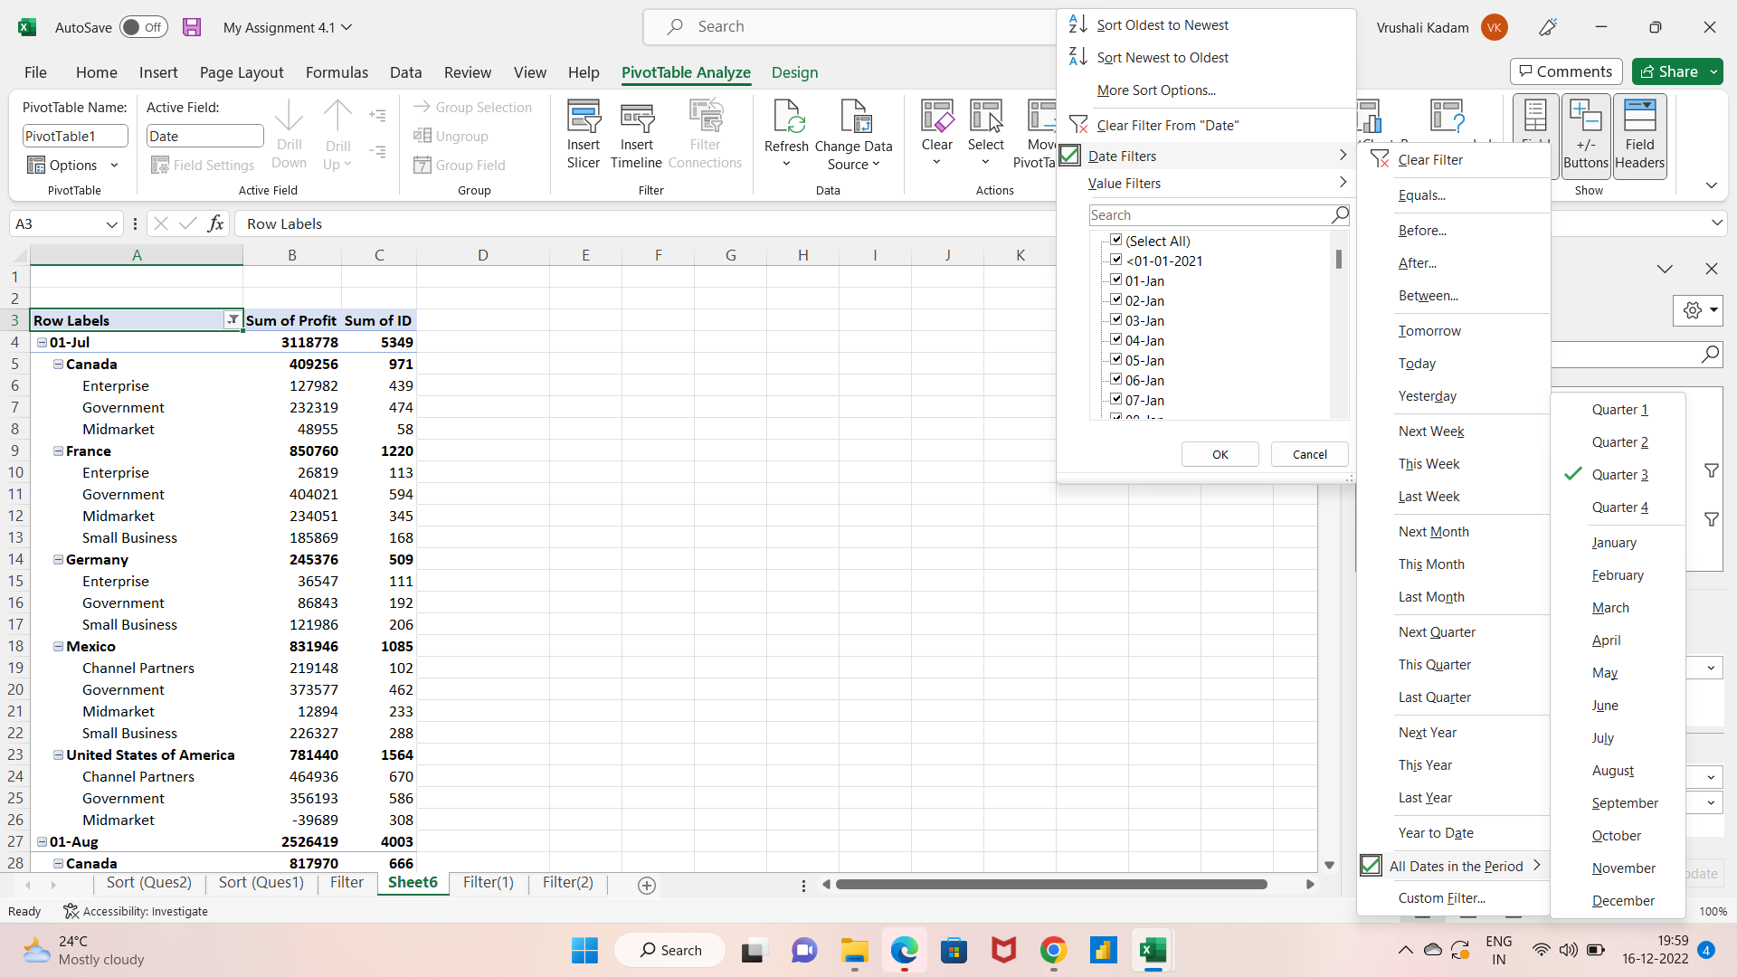
Row Labels | Sum of Profit | Sum of ID
01-Jul | 3118778 | 5349
Canada | 409256 | 971
Enterprise | 127982 | 439
Government | 232319 | 474
Midmarket | 48955 | 58
France | 850760 | 1220
Enterprise | 26819 | 113
Government | 404021 | 594
Midmarket | 234051 | 345
Small Business | 185869 | 168
Germany | 245376 | 509
Enterprise | 36547 | 111
Government | 86843 | 192
Small Business | 121986 | 206
Mexico | 831946 | 1085
Channel Partners | 219148 | 102
Government | 373577 | 462
Midmarket | 12894 | 233
Small Business | 226327 | 288
United States of America | 781440 | 1564
Channel Partners | 464936 | 670
Government | 356193 | 586
Midmarket | -39689 | 308
01-Aug | 2526419 | 4003
Canada | 817970 | 666
Channel Partners | 55010 | 36
Enterprise | 99343 | 87
Government | 217962 | 142
Midmarket | 229197 | 119
Small Business | 216458 | 282
France | 228013 | 637
Channel Partners | 87532 | 31
Enterprise | 109849 | 100
Government | 30632 | 506
Germany | 192310 | 877
Enterprise | 49281 | 635
Midmarket | 22746 | 81
Small Business | 120283 | 161
Mexico | 888941 | 1053
Enterprise | 161854 | 342
Government | 342941 | 264
Midmarket | 234529 | 424
Small Business | 149617 | 23
United States of America | 399185 | 770
Channel Partners | 124717 | 85
Government | 77967 | 387
Midmarket | 85536 | 82
Small Business | 110965 | 216
01-Sep | 3510673 | 3742
Canada | 312393 | 504
Government | 55991 | 265
Small Business | 256402 | 239
France | 602500 | 336
Channel Partners | 318972 | 232
Government | 135801 | 5
Midmarket | 147727 | 99
Germany | 581927 | 589
Enterprise | 220591 | 115
Government | 200584 | 263
Small Business | 160752 | 211
Mexico | 1090836 | 631
Channel Partners | 450292 | 265
Government | 426665 | 260
Midmarket | 213879 | 106
United States of America | 923017 | 1682
Channel Partners | 74093 | 300
Government | 738522 | 793
Midmarket | 98246 | 298
Small Business | 12156 | 291
Grand Total | 9155870 | 13094

